Week 1 Reg. & Concept. Framewor
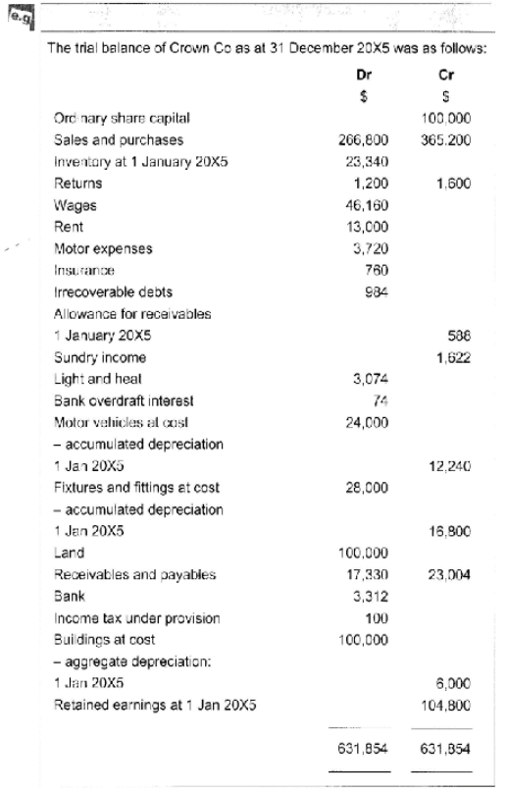
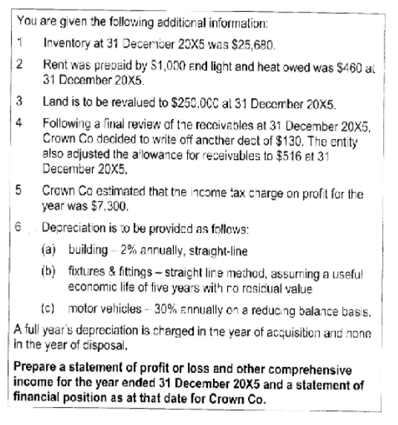

 |  |  |  |  |  | 5600
 |  |  |  |  |  | 22400
 |  |  |  |  |  | 18

 |  |  | Statement of Profit or Loss and Other Comprehensive Income |  |  |  |  |  | First Step: Work out Cost of Sales
 |  |  | for the Year ended 31 December 20X5 |  |  |  |  |  | Formula for which is =
 |  |  |  |  |  |  |  |  | Opening Inventory + Purchases - Less Purchase
 |  |  |  |  | $ |  |  |  | Returns - Less Closing Inventory
 |  |  | Revenue ($365,200 - $1,200) |  | 364000
 |  |  | Cost of Sales (W1) |  | 262,860 |  |  |  | Second Step: Work out Depreciation
 |  |  |  |  |  |  |  |  | Straight-line = Straight up divide by x%
 |  |  | Gross Profit |  | 101,140 |  |  |  | and divide by Y years if given
 |  |  | Sundry Income |  | 1,622 |  |  |  | Reducing Balance = (Cost - Depreciation) * (Rate)
 |  |  | Admin Expenses (W2) |  | 78,418 |  |  |  | Add them all up and divide to each category
 |  |  |  |  |  |  |  |  | accordingly.
 |  |  | Profit before Tax |  | 24,344
 |  |  | Income Tax Charge (W3) |  | -7,400 |  |  |  | Third Step: After Whipping that Value in
Statement of Financial Position as at 31 December 20X5 |  |  |  |  |  |  |  |  | Include Sundry Income afterwards if present
 |  |  | Profit for the Year |  | 16,944 |  |  |  | Then calculate Admin Expenses
 | $ | $ |  |  |  |  |  |  | Formula for which is =
 |  |  | Other Comprehensive Income |  |  |  |  |  | All the administrative expenses added together
Non-Current Assets |  |  | Revaluation Surplus |  | 150,000 |  |  |  | (Understand the meaning of each cost)
PPE (W5) |  | 355832 |  |  |  |  |  |  | E.g. Wages, Rent, Motor Expenses, Insurance,
 |  |  | Total Comprehensive Income |  | 166,944 |  |  |  | Irrecoverable Debts, ( - Decrease in Allowance ),
 |  |  |  |  |  |  |  |  | Light and Heat, Bank Interest, and Depreciation
Current Assets |  |  |  |  |  |  |  |  | But only include depreciation in where the question
Inventory | 25,680 |  | W1: Cost of Sales | $ |  | W4: Depreciation | $ |  | tells you to include it to.
Trade Receivables | 16,684 |  | Opening Inventory | 23,340
Prepayments | 1,000 |  | Purchases | 266,800 |  | Buildings: | 2000
Cash at bank | 3,312 |  | Purchase Returns | -1,600 |  | Fixtures and Fittings: | 5600 |  | Fourth Step: Calculate the income tax
 |  | 46,676 |  |  |  | Motor Vehicles: | 3528 |  | Just read the trial balance and act accordingly.
 |  | 402,508 | Closing Inventory | -25680 |  |  | 11128
Equity |  |  |  | 262,860
Ordinary Share Capital | 100,000
Revaluation Surplus | 150,000 |  | W2: Administrative Expenses | $ |  | W5: Non-Current Assets
Retained Earnings | 121,744
 |  | 371,744 | Wages | 46,160 |  |  | Cost | Acc. Depn' | CA
 |  |  | Rent | 12,000 |  | Land | 250000 | - | 250000
Current Liabilities |  |  | Motor Expenses | 3,720 |  | Buildings | 100000 | 8000 | 92000
Income Tax Liability (W3) | 7,300 |  | Insurance | 760 |  | Fixtures and Fittings | 28000 | 22400 | 5600
Trade Payables | 23,004 |  | Irrecoverable Debts | 1,114 |  | Motor Vehicles | 24000 | 15768 | 8232
Accrued Expenses | 460 |  | Decrease in Allowance (W6) | -72 |  |  | 402000 | 46168 | 355832
 |  | 30,764 | Light and Heat | 3,534
 |  | 402,508 | Bank Interest | 74
 |  |  | Depreciation (W4) | 11,128 |  | W6: Trade Receivables |  | $
 |  |  |  | 78,418
 |  |  |  |  |  | Receivables ($17,330 - $130) |  | 17,200
 |  |  | W3: Income Tax | $ |  | Allowance for Receivables |  | -516
 |  |  | Under Provision | 100 |  |  |  | 16,684
 |  |  | Income tax on profit for year | 7,300 |  | Movement in Allowance:
 |  |  |  | 7,400 |  | Balance b/fwd |  | 588
 |  |  |  |  |  | Balance c/fwd |  | 516

 |  |  |  |  |  | Decrease in Allowance to P&L |  | -72

Week 2-3 Measurement Bases
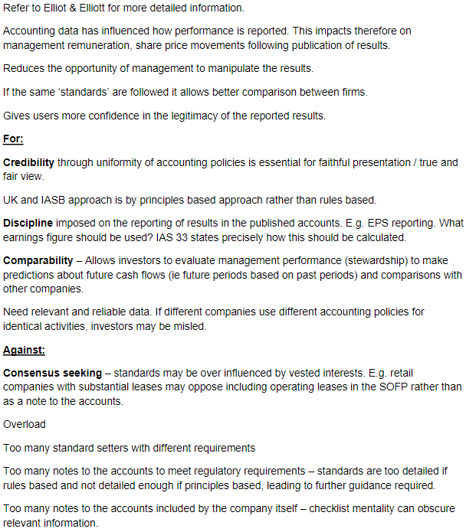
Q1 - Why do we need accounting standards? What arguments are used both for | Q3 - The Framework refers to fundamental and enhancing qualitative characteristics.
and against accounting standards? | Provide examples of how the Britvic 2022 accounts meet both of the fundamental
 | qualitative characteristics and one of the enhancing characteristics.
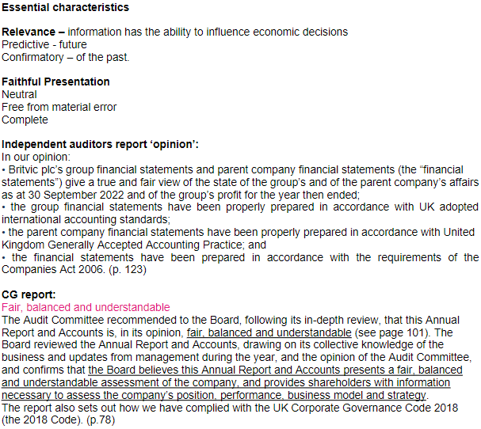

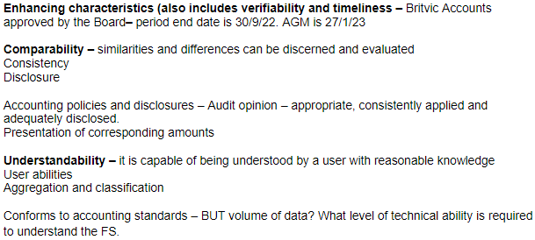

Q2 - What is the purpose of the 2018 IASB Framework?
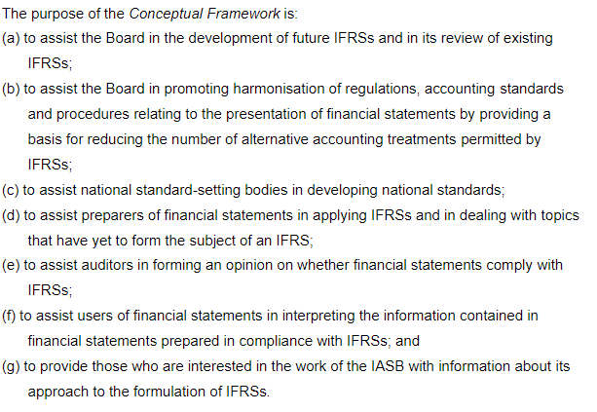
 | Q4 - Which of the measurement bases included in the Framework are used in Britvic
 | plc's 2021 Annual Accounts?

 | Q5 - Consider the following situations. With reference to the framework, give reasons
 | why an asset or liability could be recognised and at what value it should be recognised.
 | (i.e. look at the definition of an asset and liability - how does it apply to a & b below)

 | a) Amanda plc has purchased a patent at £10,000. The patent gives the company sole
 | uses of a particular manufacturing process which will save £3,000 a year for the next
 | 5 years.

 | b) Emma plc owns a building which has been let out to students for many years. The
 | building has been declared unsafe by the local council. Not only is it unfit for human
 | habitation, but on more than one occasion slates have fallen off the roof, nearly
 | seriously injuring passersby. To rectify the damage would cost £300,000, to eliminate
 | the danger would cost £200,000. The building could be sold for £100,000.

Week 4 SoFP
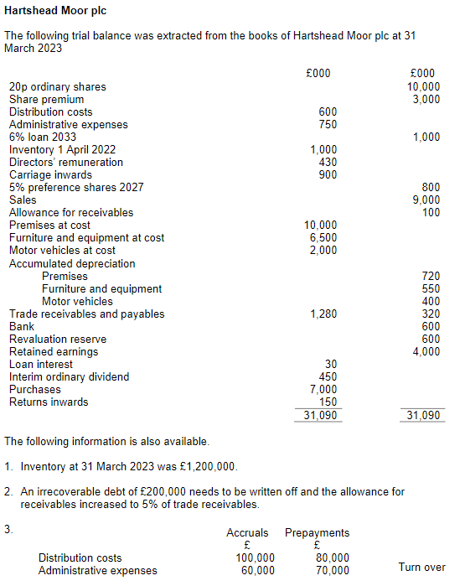
 |  |  | Hartshead Moor Plc

 |  |  | Statement of Financial Position as at 31 March 2023

 |  |  | Assets
 |  |  | Non-Current Assets |  |  |  |  | 200
 |  |  | Property, Plant and Equipment |  |  | 16072 |  | 238
 |  |  |  |  |  |  | 16072 | 320

 |  |  | Current Assets
 |  |  | Inventories |  |  | 1200
 |  |  | Trade Receivables (1280-200) |  |  | 1080
 |  |  | Less Allowance for Receivables |  |  | -54

 |  |  | Prepayments |  |  | 150
 |  |  | Cash (600) OB + 5000 + 500 |  |  | 4900
 |  |  |  |  |  |  | 7276
 |  |  |  |  |  |  | 23348
 |  |  | Total Assets

 |  |  | Equity and Liabilties
 |  |  | Equity Attributable to equity holders
 |  |  | £0.50 Ordinary Share Capital |  |  | 12000
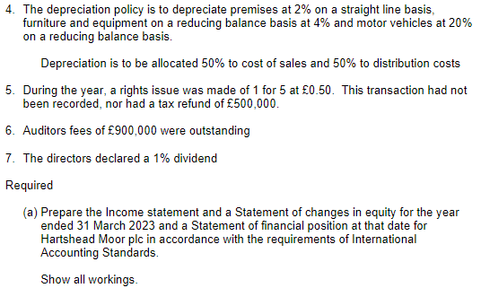
 |  |  | Share Premium |  |  | 6000
 |  |  | Revaluation Reserves |  |  | 600
 |  |  | Retained Earnings |  |  | 1378 |  | = RE = Beginning RE - Net Profit/Loss - Dividend

 |  |  | Total Equity |  |  |  | 19978

 |  |  | Non-Current Liabillities
 |  |  | 6% Pref Shares 2027 |  |  | 800 |  | Straight from the Trial balance
 |  |  | 6% Loan 2023 |  |  | 1000 |  | Straight from the Trial balance
 |  |  |  |  |  |  | 1800
 |  |  | Current Liabilities
 |  |  | Trade and other Payables |  |  | 320 |  | Straight from the Trial balance
 |  |  | Accruals (100+60+900) |  |  | 1060 |  | All from following information
Hartshead Moor plc |  |  | Finance cost (100 working - 30 paid) |  |  | 70 |  | 100 from W4, 30 from Loan Interest
 |  |  | Dividends Accrued |  |  | 120 |  | 12,000 * 1%
Statement of profit or loss |  |  | Bank Overdraft |  |  | 0
and other comprehensive income
for the year ended 31 March 2023 |  |  | Total Current Liabilities |  |  |  | 1570
 |  |  | Total Equity and Liabilities |  |  |  | 23348
 | £'000
Revenue | 8850 |  | W1 - Cost of Sales:
Cost of Sales (W1) | 8079
 |  |  | Opening Inventory |  | 1000 | From trial balance
Gross Profit | 771 |  | Plus Purchases |  | 7000 | From trial balance
 |  |  | Less Closing Inventory |  | 1200 | From following information
Distribution Costs (W2) | 999 |  | Carriage Inwards |  | 900 | From trial balance |  | (Part of COGS)
Admin Expenses (W3) | 2224 |  | Allocation of Depreciation |  | 379
Finance Costs (W4) | 100
Loss before Tax | -2552 |  | COS |  | 8079

Income tax refund | 500 | From following information
 |  |  | W2 - Distribution Costs: |  |  |  | W4 - Finance Costs:
Loss for the Period | -2052
 |  |  | Distribution | 600 |  |  | Loan 6% * 1000 |  | 60
 |  |  | Accruals | 100 |  |  | Pref Share 5% of 800 |  | 40
 |  |  | Prepayments | -80 |  |  | Interest for SoPL |  | 100
 |  |  | Depreciation | 379
 |  |  |  | 999

 |  |  | W3 - Admin Costs:

 |  |  | Admin Expenses | 750
 |  |  | Accruals | 60
 |  |  | Prepayments | -70
 |  |  | Director's Remun. | 430
 |  |  | Auditor fees | 900
 |  |  | Irrecoverable Debt | 200
 |  |  | Allowance Recvbls. | -46
 |  |  |  | 2224

Week 7 Prop. Plant and Equip.
Question 1 | Question 3

What factors should a business take into account when determining | Provide reasons why stakeholders might find the disclosures
the expected useful life of property, plant, and equipment? | relating to IAS 16 Property Plant and Equipment useful in making
 | their economic decisions.
The period of time over which economic benefits are expected to arise,
e.g. the life of the product. | Comparability - to be able to compare against other businesses,
 | are they using similar asset lives and depreciation methods?
Expected use of the asset; expected capacity or physical output of the asset.
 | Consistency - Disclosure of changes in depreciation methods and
Expected wear and tear - number of shifts using the asset, the repair and | why they have occurred helps to understand the businesses' actions
maintenance program, care and maintenance of the machine when idle.
 | Total depreciation - some analysts will exclude depreciation from their
The level of technical or commercial obsolescence. Different types of assets | analysis of performance due to its subjective nature, and the difficulty
may suffer earlier obsolescence than others - e.g. computers. | of comparing one business to another.

Legal or commercial limits on the use of an asset - e.g. lease expiry dates. | Assets in determining the overall age of the assets, or how likely it is
 | that they will need replacing.
 | i.e. from separate presentation of cost and depreciation, therefore can
Question 2 | determine NBV in relation to total cost.

IAS 16 Property, Plant, and equipment states that "each part of an item | The level of change in the assets - additions and disposals presented
of property plant and equipment with a cost that is significant in relation | separately. May result in asking the question as to why the assets are
to the total cost of an item shall be depreciated separately". | being disposed off, especially if they aren't fully depreciated.

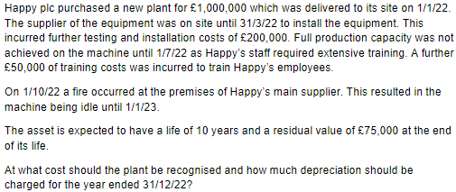
With reference to the Business School, idetnify items of that would fall under
the 'property (building)' category and suggest why these should be depreciated | Question 4
separately.

The overall building can be broken down into many different components
which could include:

The main entrance doors - high use, mechanical
The flooring e.g. carpeting - higher levels of wear and tear
The lifts - technical/mechanical life
The electrical wiring - will it last as long as the building
The main structure (walls/roof etc) - whats the expected life of the building?

 | Happy plc. |  | Depreciable Amount:

 | Purchase of new plant | 1000000 | Carrying Value less Residual Value
 | Testing and installation | 200000 | 1,200,000 - 75,000 | 1125000
 | Training cost | 0
 |  |  | Annual Depr. | 112500
 | Total Cost | 1200000 | (10 years)

 |  |  | Depr. Charge (9/12 Months)
 |  |  | 84375

Week 8 Revaluation
Question 1 |  |  |  | Question 2
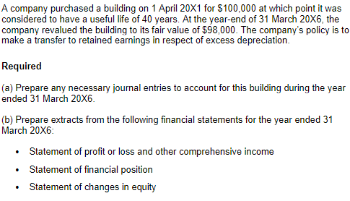
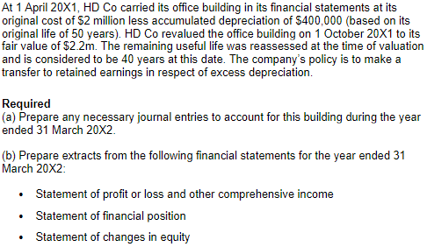

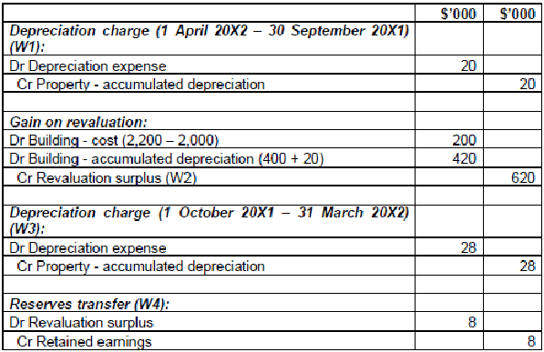

a) Journal Entries:
 |  | £'000 | £'000
Gain on Revaluation:
Dr Building - Accumulated Depreciation (100,000 * 5/40 Years) |  | 12,500
Cr Building - Cost (100,000 - 98,000) |  |  | 2,000
Cr Revaluation Surplus (W1) |  |  | 10,500

Depreciation charge for the year ended 31 March 20X2:
Dr Depreciation expense (100,000 / 40 years) |  | 2500
Cr Building - Accumulated Depreciation |  |  | 2,500

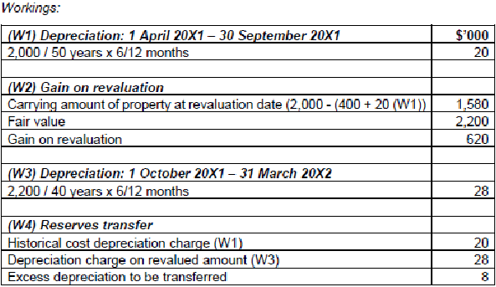
W1) Gain on Revaluation
Carrying amount of building at revaluation date |  | 87500
(100,000 - (100,000*5/40 years)
Fair Value |  | 98,000
Gain on Revaluation |  | 10,500

b) Financial Statements Extracts:

Extract of statement of profit or loss and other comprehensive income for the year
ended 31 March 20X6:

 | £'000
Depreciation expense | 2,500

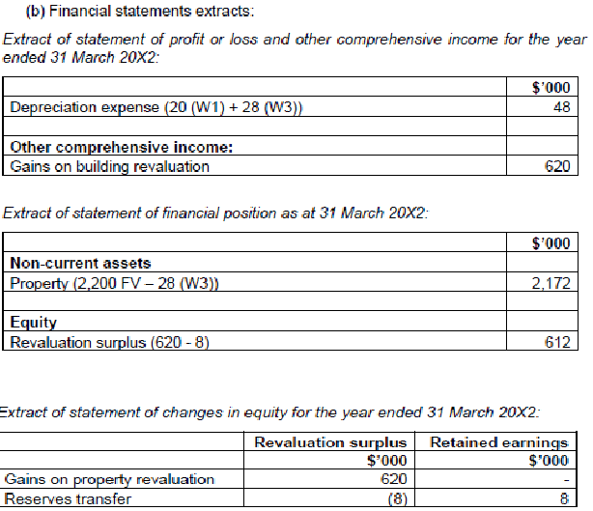
Other comprehensive Income:
Gains on building revaluation | 10,500

Extract of the statement of financial position as at 31 March 20X6:

 | £'000
Non-Current Assets
Building | 98,000

Equity
Revaluation Surplus | 10,500

Extract of the statement of changes in equity for the year ended 31 March 20X6:

 | Revaluation Surplus
 | £'000
Gains on property revaluation | 10,500

Week 9 Inventories
Question 1 | Question 2 | Question 4
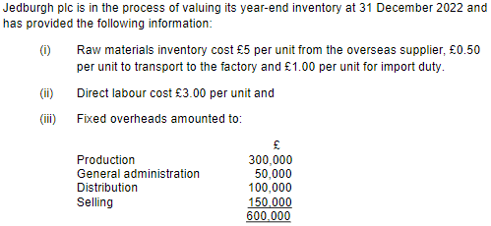
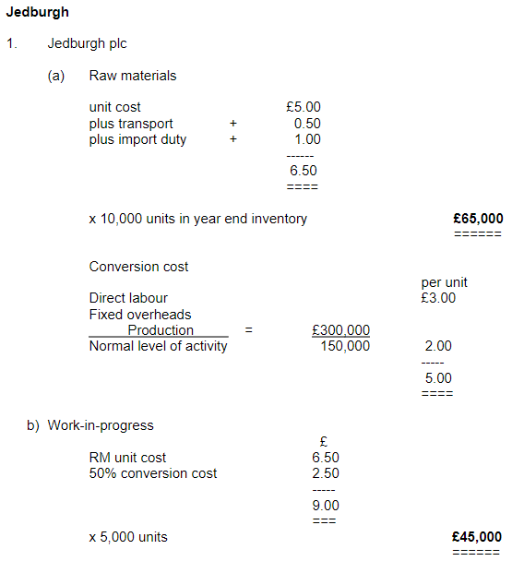
IAS 2 Inventories states that 'Inventories should be measured at the lower | IAS 2 Inventories states that the allocation of fixed overheads
of cost and net realisable value'. | should be based on normal capacity. Why is this?

a) Define the phrase 'net realisable value'. | If the company underproduces (lower than normal activity)
 | the overhead per unit would increase and increase the year end
Net Realisable Value = Estimated selling price less | value of the inventory, which would result in costs being carried
estimated costs to complete and | forward to future periods.
estimated costs necessary to make the sale.
 | If the company overproduces (higher than normal activity)
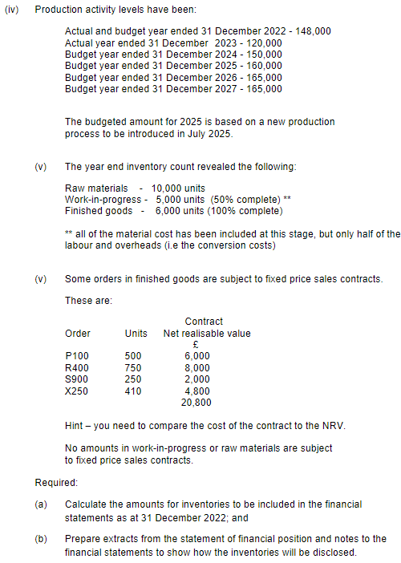
 | then the value of inventory would be reduced, effectively
b) State which overheads should be included in inventory cost, and provide | undervaluing the cost of the inventory.
examples of those that would be included and those that would not.

Only those costs that are directly related ot the units of production | Question 3
are included.
 | Explain the effect of profit and closing closing inventory of
Only fixed and variable manufacturing and production overheads are | applying the following cost formulae for valuation when
included. | prices are rising:
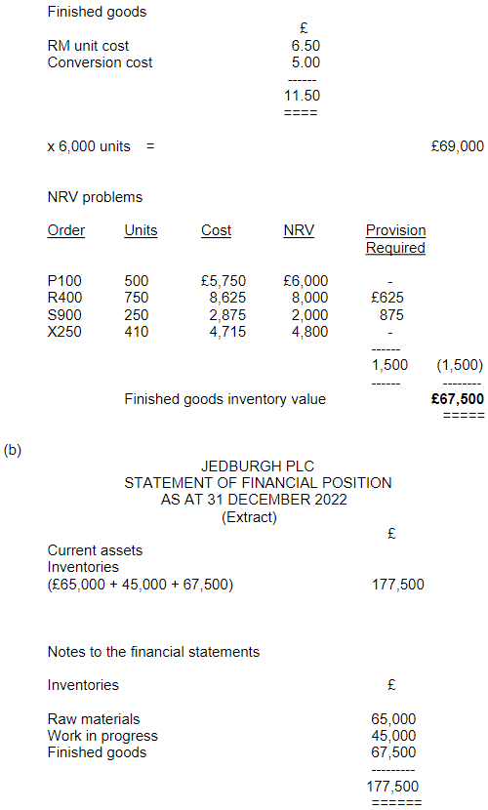
Only the overheads related to normal activity are included. | a) FIFO

Examples of those to be included would be factory rent, depreciation,
and maintenance costs.

 | b) LIFO

 | c) AVCO

Week 11 Impairment of Assets
Question 1: | Question 2: |  |  |  |  |  |  | Question 3:
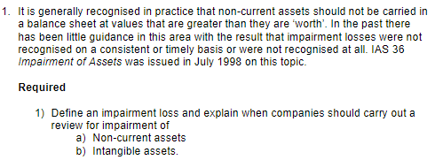
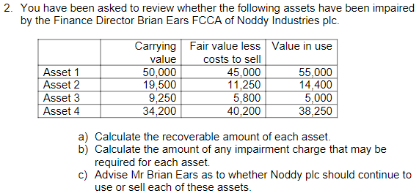
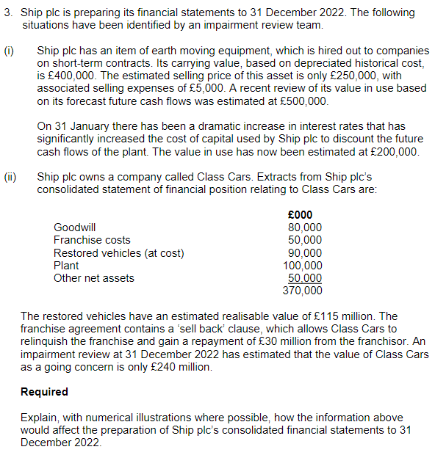
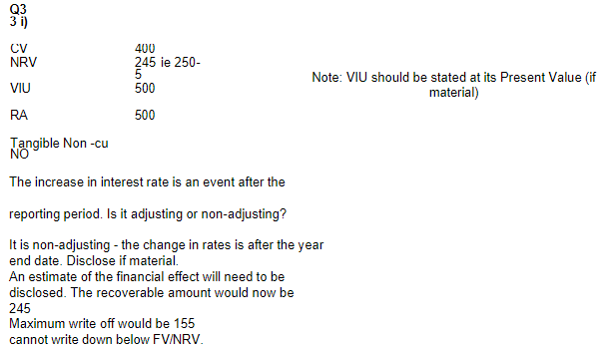

Impairment - an asset is impaired when its carrying amount (in the statement of
financial position) exceeds its recoverable amount (fall in value of an asset).
 | Recoverable amount of each asset:
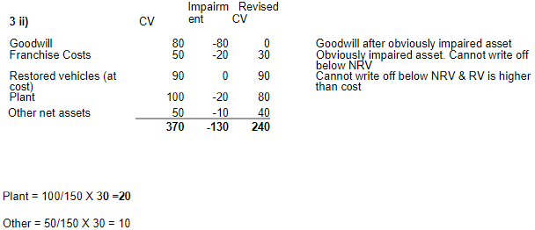
Impairment occurs where the carrying value is higher than the recoverable amount; |  | C.V. | FV<CTS. | VIU | R.A. | Imprmnt. | Use/Sell
which is the higher of fair value less costs to sell or value in use. | Asset 1: | 50,000 | 45,000 | 55,000 | 55,000 | N/A | Use
 | Asset 2: | 19,500 | 11,250 | 14400 | 14400 | 5,100 | Use
a) Non-current assets: | Asset 3: | 9,250 | 5,800 | 5,000 | 5,800 | 3,450 | Sell
An impairment review should be carried out when there is an indicator of impairment. | Asset 4: | 34,200 | 40,200 | 38,250 | 40,200 | 0 | Sell

b) Intangible assets:
Goodwill and intangible assets with indefinite lives must have an annual impairment
review. More frequently if there's an indicator of impairment.

Circumstances that may indicate a company's assets may have become impaired:
Internal - Obsolescence, physical damage, worsened financial/economic performance
External - Fall in market value, negative changes in technology, economy, legislation, etc.

IAS 2 Inventories, IFRS 5 Non-Current assets held for sale
These have their own rules in the standard for dealing with impairment, e.g. inventories held
at the lower of cost or NRV, non-current assets held for sale are written down (if required)
before transfer to current asset.

Week 12 Statement of C.F.
Question 1)

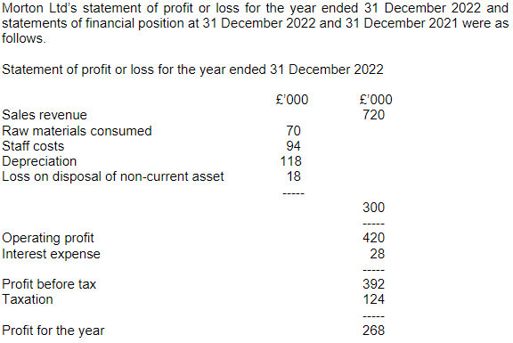
 | a) Provide a statement of cash flows for Morton Ltd for the year
 | ended 31 December 2022 in accordance with the requirements
 | of IAS 7 Statement of Cash Flows, using the indirect method.

 |  | £'000 | £'000
 | Cash flows from Operating Activities
 | Profit before tax | 392 |  | From SoPL
 | Depreciation charges | 118 |  | From SoPL
 | Loss on sale of tangible NCA | 18 |  | From SoPL
 | Interest Expense | 28 |  | From SoPL

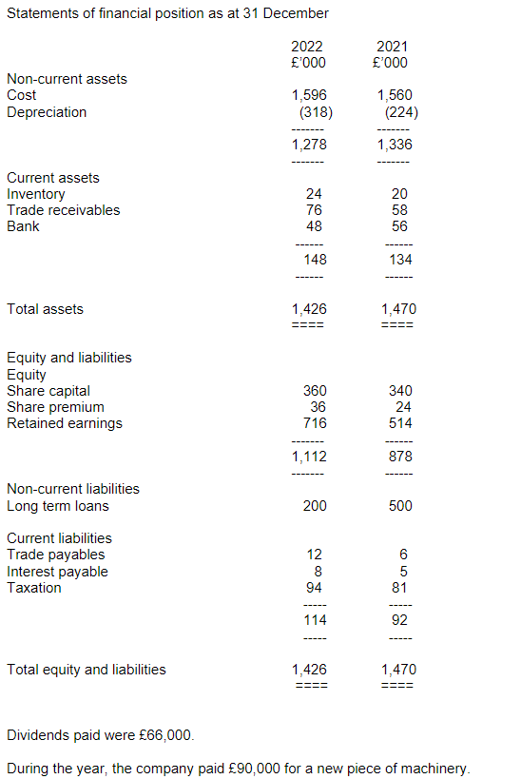
 | Increase in Inventories | -4 |  | From SoFP
 | Increase in Receivables | -18 |  | From SoFP
 | Increase in Payables | 6 |  | From SoFP

 | Cash generated from operations |  | 540 | Add up all the figures
 | Interest paid (5+28-8) |  | -25 | Year before - Year after
 | Tax paid (81+124-94) |  | -111 | Year before - Year after

 | Net cash from operating activities |  | 404

 | Cash flows from Investing Activities
 | Payments to acquire tangible NCA |  | -90 | From additional info
 | Receipts from sales of tangible NCAs |  | 12 | Loss of disposal
 |  |  |  | + NBV of disposals
 | Net cash used in investing activities |  | -78

 | Cash flows from financing activities
 | Issue of share capital
 | (360+36-340-24) |  | 32 | Year after - Year before
 | Long-term loans repaid (500-200) |  | -300 | 2021-2022
 | Dividends paid |  | -66

 | Net cash used in financing activities |  | -334

 | Decrease in cash and cash equivalents |  | -8 | Share Premium? 2022-2021
 | Cash and cash equivalents at 1.1.22 |  | 56

 | Cash and cash equivalents at 31.12.22 |  | 48

 | b) Briefly explain the 'liquidity' position of Morton. Do you consider
 | them to be in a strong or weak position? Provide reasons based on
 | the evidence of the cash flow to support your argument.

 | There has been an overall small reduction in the cash position of Morton. This does
 | not give rise to concern as the Morton has also repaid £300,000 of its loans. There is
 | no significant requirement for future investment in non-current assets as the NBV is
 | 80% of cost. Some investment has been made in new non-current assets (£90,000).
 | This may have been a replacement of the old assets being disposed of in the same
 | period. The operating cash flow has financed most of this activity, with only a small
 | amount of capital being raised from issuing new shares.

Week 13 Intangible Assets
Question 1 | Question 2:
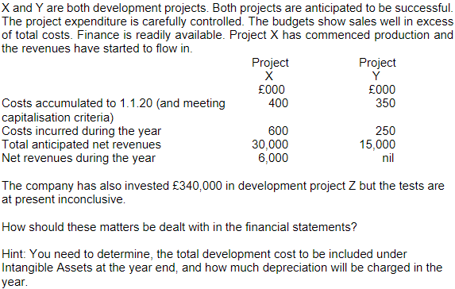
For each of the following issues determine whether the item should be
a) Capitalised as an intangible
b) Expensed to the SoPoL

1. £200,000 spent on developing a new process that will not bring in
revenue, but will deliver cost savings
- Capitalise as an intangible (SoFP) as economic benefits can also
be a reduction in costs.

2. £800,000 spent on developing a new product. A competitor has already
brought a similar product to the market. The directors are uncertain if they
will commit any further funds.
- Not relevant regarding the involvement of being in a SoFP. There is an
uncertainty about the intention to complete and its committance.

3. £500,000 spent on marketing a new product. This has led to increased
sales of £1 million.
- This is a marketing cost, which cannot be separated from the general
costs of running the business.
 | Solution:
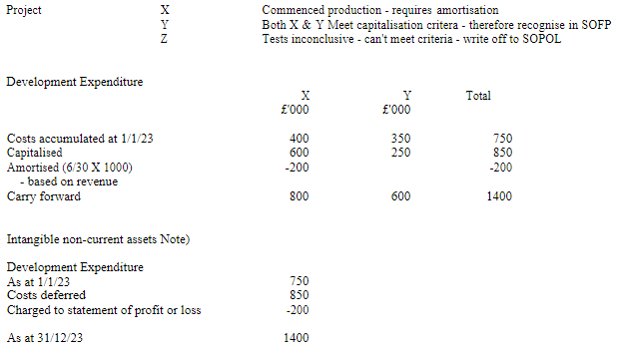
4. £750,000 has been spent on developing a new product. The future benefits
have been estimated at £500,000.
- £500,000 capitalised as an intangible (SoFP)
- £250,000 expensed to the SoPoL

